Intro
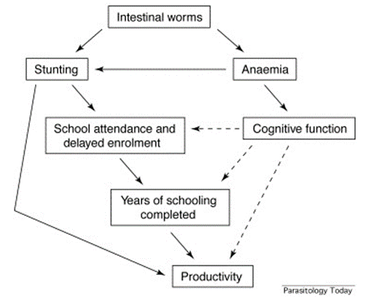
Deworming Cost-effectiveness Model
This model is intended to provide estimates of different cost-effectiveness outcomes for the deworming programs that Deworm the World supports globally. Based on inputs such as worm prevalence, program target population, treatment coverage, and estimated treatment effect, this model estimates different measures of cost-effectiveness for deworming as an intervention. Although the analysis focuses on DtW's supported program geographies, we are not estimating the cost-effectiveness of Evidence Action's support of these programs; but rather the cost-effectiveness of deworming as an intervention more broadly.

The benefits of deworming are multiple, spanning sectors of health, education, and economy. Therefore, we estimate various measures of cost-effectiveness including the cost per disability-adjusted life year, the cost per school year gained, and a cost per kg weight gain

